Table 1

Selected Acquisition Report (SAR)
RCS: DD-A&T(Q&A)823-368

AGM-88E Advanced Anti-Radiation Guided Missile (AGM-88E AARGM)
As of FY 2017 President's Budget
Defense Acquisition Management Information Retrieval
(DAMIR)

Table 9
Schedule
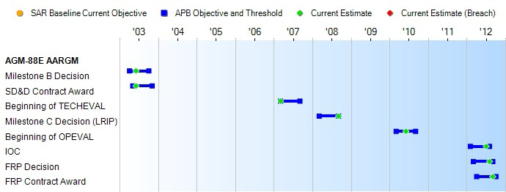
None
Schedule Events
Events | SAR Baseline Production Estimate | Current APB Production Objective/Threshold |  | Current Estimate
Milestone B Decision | Apr 2003 | Apr 2003 | Oct 2003 | Jun 2003
SD&D Contract Award | May 2003 | May 2003 | Nov 2003 | Jun 2003
Beginning of TECHEVAL | Mar 2007 | Mar 2007 | Sep 2007 | Mar 2007
Milestone C Decision (LRIP) | Mar 2008 | Mar 2008 | Sep 2008 | Sep 2008
Beginning of OPEVAL | Mar 2009 | Mar 2010 | Sep 2010 | Jun 2010
IOC | Nov 2010 | Feb 2012 | Aug 2012 | Jul 2012
FRP Decision | Jul 2010 | Mar 2012 | Sep 2012 | Aug 2012
FRP Contract Award | Dec 2010 | Apr 2012 | Oct 2012 | Sep 2012
Change Explanations
Acronyms and Abbreviations
OPEVAL - Operational Evaluation
SD&D - System Development & Demonstration TECHEVAL - Technical Evaluation

Table 23
Unit Cost History
Item |  |  |  |  |  |  |  | Date |  |  |  | BY 2003 $M |  |  |  |  |  |  | TY $M
 |  |  |  |  |  |  |  |  |  |  |  | PAUC |  | APUC |  |  |  |  | PAUC |  |  |  | APUC

Original APB |  |  |  |  | Jul 2003 |  |  |  |  |  |  | 0.748 |  |  |  | 0.461 |  |  |  | 0.844 |  |  |  | 0.556
APB as of January 2006 |  |  |  |  | Jul 2003 |  |  |  |  |  |  | 0.748 |  |  |  | 0.461 |  |  |  | 0.844 |  |  |  | 0.556
Revised Original APB |  |  |  |  | N/A |  |  |  |  |  |  | N/A |  |  |  | N/A |  |  |  | N/A |  |  |  | N/A
Prior APB |  |  |  |  | Nov 2011 |  |  |  |  |  |  | 0.797 |  |  |  | 0.505 |  |  |  | 0.970 |  |  |  | 0.671
Current APB |  |  |  |  | Nov 2012 |  |  |  |  |  |  | 0.866 |  |  |  | 0.554 |  |  |  | 1.056 |  |  |  | 0.733
Prior Annual SAR |  |  |  |  | Dec 2014 |  |  |  |  |  |  | 0.925 |  |  |  | 0.587 |  |  |  | 1.135 |  |  |  | 0.779
Current Estimate |  |  |  |  | Dec 2015 |  |  |  |  |  |  | 0.851 |  |  |  | 0.589 |  |  |  | 1.076 |  |  |  | 0.800
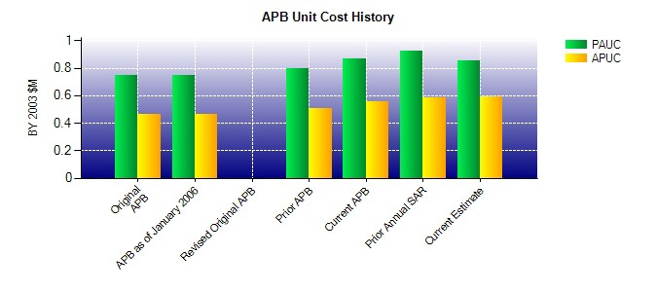
SAR Unit Cost History
Initial SAR Baseline to Current SAR Baseline (TY $M)
Initial PAUC Development Estimate | Changes |  |  |  |  |  |  |  |  |  |  |  |  |  |  |  |  |  |  |  |  | PAUC Production Estimate
 | Econ |  | Qty |  |  | Sch |  |  | Eng |  | Est |  | Oth |  | Spt |  |  | Total
0.844 0.039 -0.026 0.028 0.010 0.053 0.000 0.022 0.126 0.970
Current SAR Baseline to Current Estimate (TY $M)
PAUC Production Estimate |  | Changes |  |  |  |  |  |  |  |  |  |  |  |  |  |  |  |  |  |  | PAUC Current Estimate
 |  | Econ |  | Qty |  |  | Sch |  |  | Eng | Est |  | Oth | Spt |  |  | Total
0.970 -0.014 -0.054 0.049 0.032 0.081 0.000 0.012 0.106 1.076

